DASHBOARD
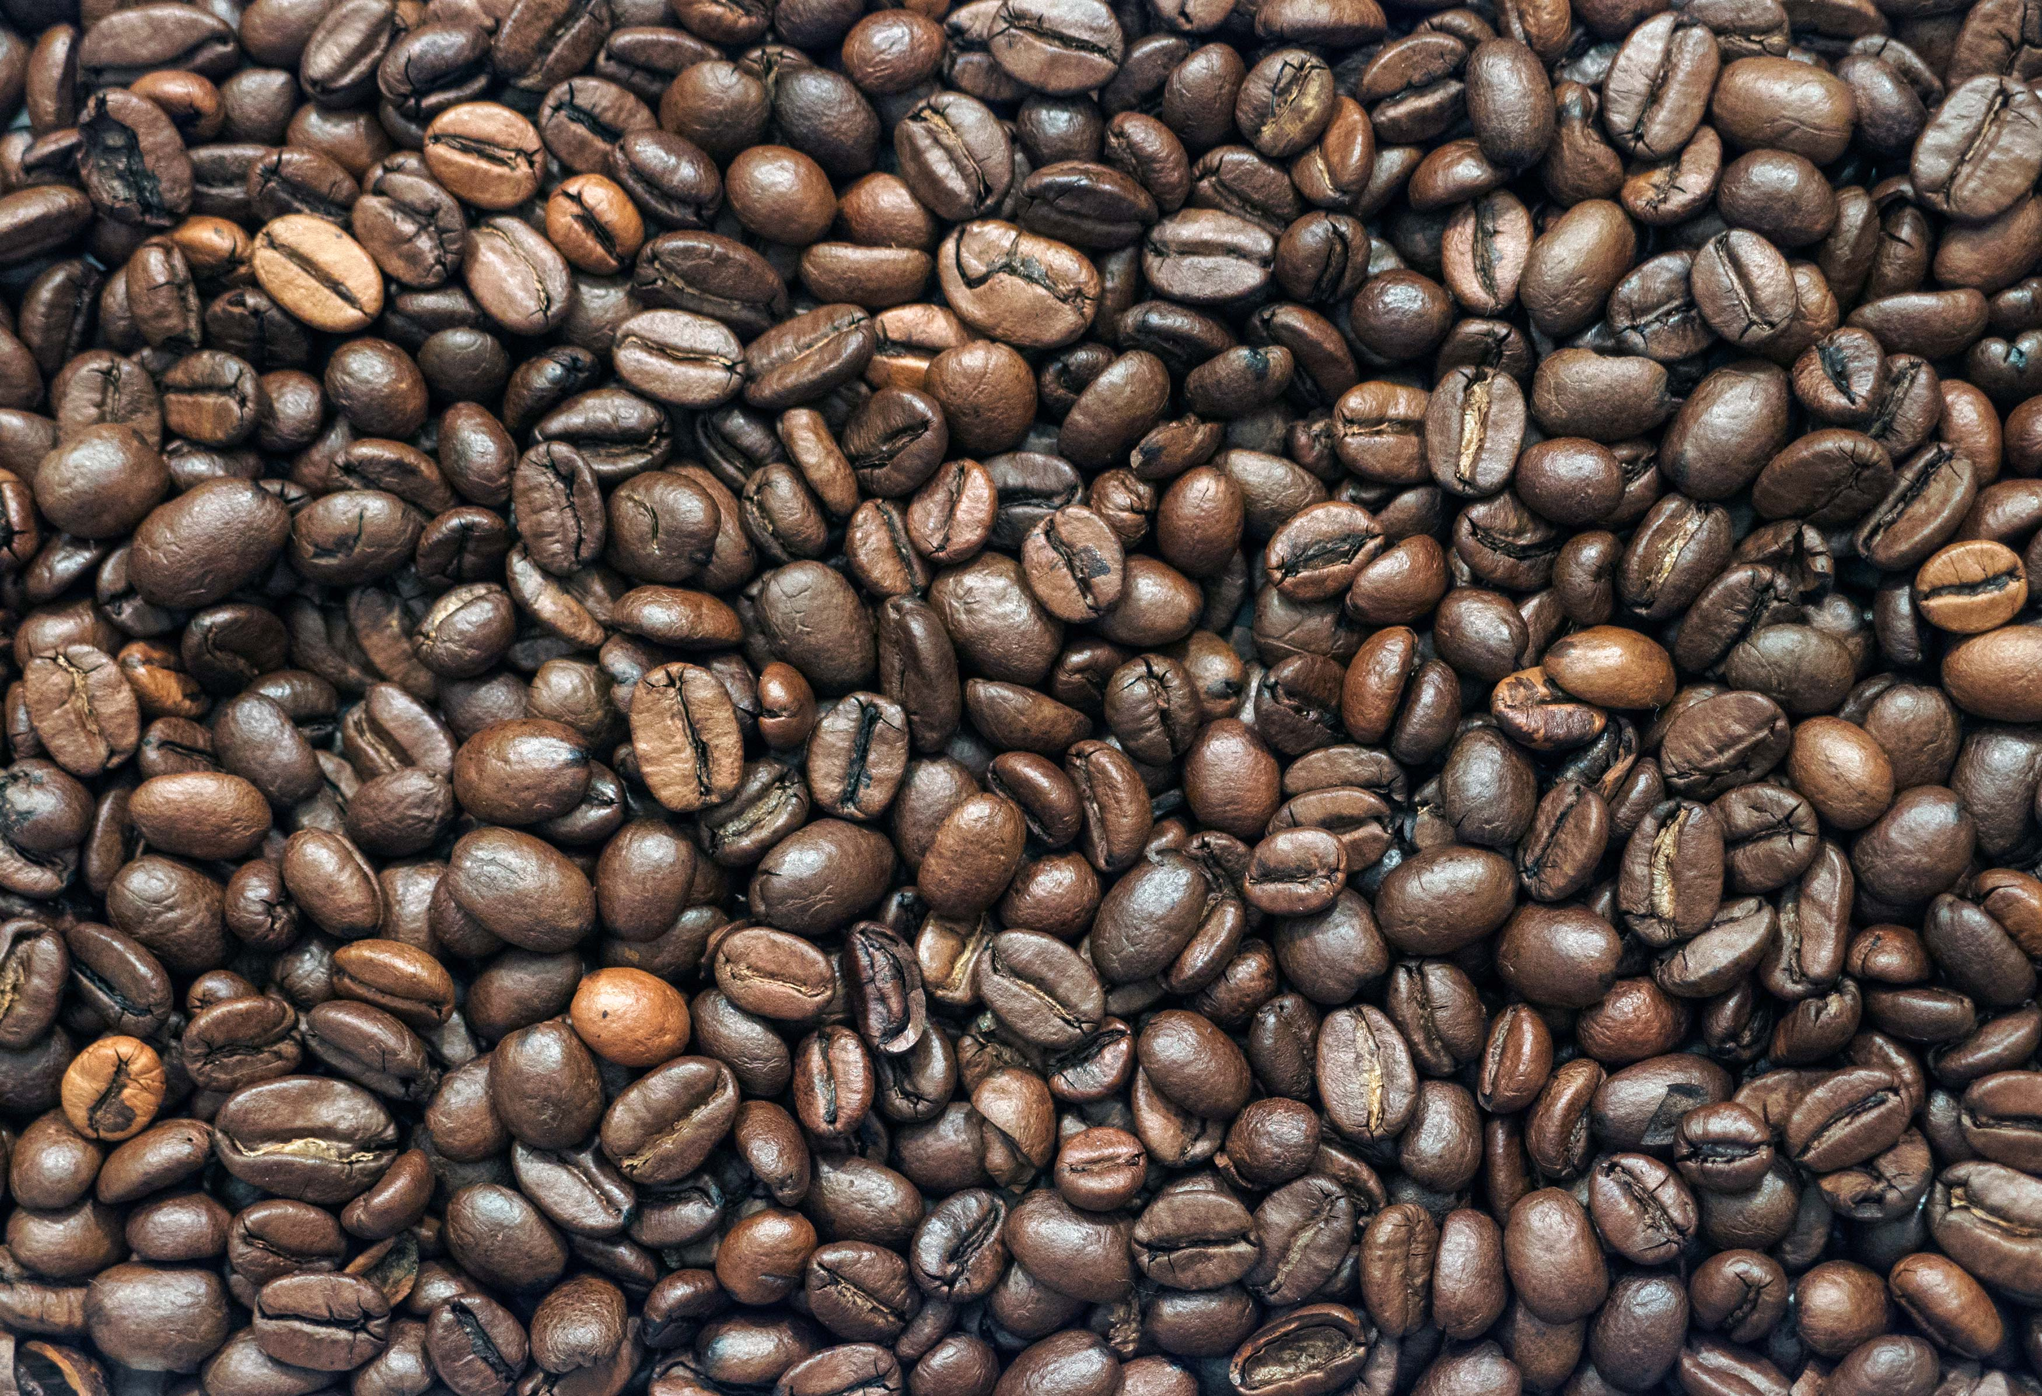
COFFEE SALES DAHBOARD

 | Total
card | 1,224
cash | 89
COUNT
1,313
 | Total
card | $121,489
cash | $9,892
VALUE

TOTAL TRANSACTING CUSTOMERS
$131,381
1,313

 | card | cash
Mar | $18,186 | $3,680
Apr | $16,864 | $3,161
May | $25,587 | $2,424
Jun | $23,695 | $627
Jul | $21,567
Aug | $15,590

Coffee Sales By Type
 | Total
Latte | $32,111
Americano with Milk | $31,739
Cappuccino | $24,156
Americano | $15,979
Cortado | $10,241
Hot Chocolate | $9,073
Cocoa | $4,291
Espresso | $3,791

Coffee Type Count
 | Total
Americano | 591
Americano with Milk | 1,012
Cappuccino | 653
Cocoa | 119
Cortado | 382
Espresso | 174
Hot Chocolate | 244
Latte | 880

